Info Variables
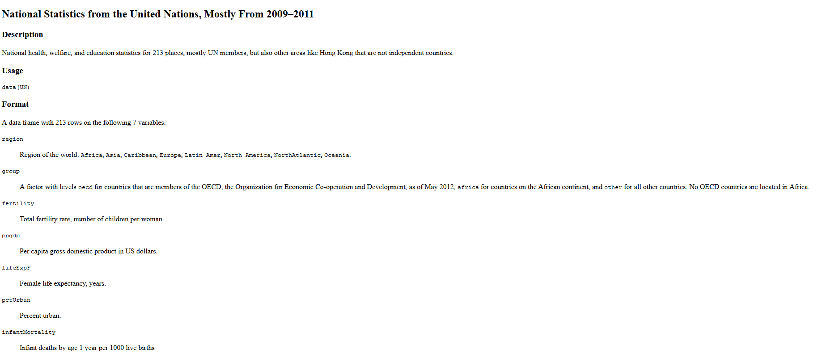
Las variables
pais | El nombre del país que estamos estudiando - la observación
region | Región del mundo: Africa, Asia, Carribean, Europe, Latin Amer, North America, NorthAtlantic, Oceania
Grupo | si pertenecen al OECD (organización para el desarrollo económico y cooperativo) - oecd = pertenece, africa = no pertenece y es un país africano, other = NO pertenece y es NO africano
Fertilidad | ratio de fertilidad del país. Número de niños por mujer | oecd | 0
PIB | PIB per cápita en Dollars USA | africa | 1
Vida_Esperanza | Esperanza de vida media en el periodo del estudio | other | 2
Porcenteje_Plo | porcentaje de la población en zona urbanizadas
Mortalidad_Infantil | ratio de mortalidad infantil - muerte de un niño menor que 1 año / 1000 nacimientos

La Base de Datos
https://vincentarelbundock.github.io/Rdatasets/doc/carData/UN.html

